NM1.0
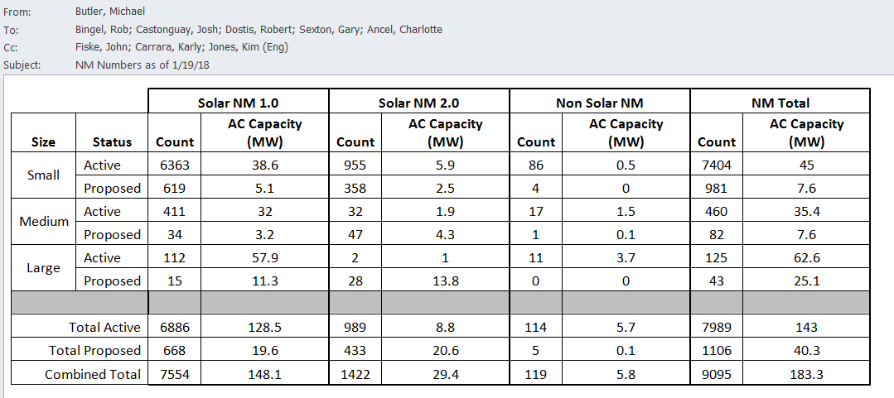

 |  |  | Amount
 |  |  | Installed
NM 1.0 Queue: |  | Attrition | in CY18 | Justification:
Small | 5.1 | 7% | 4.7 | 2012 - 2015 Attrition Rate
Medium | 3.2 |  | 2.3 | Review of applications and judgement by GMP Distributed Generation Coordinators
Large | 11.3 |  | 9.3 | Review of applications and judgement by GMP Distributed Generation Coordinators
 | 19.6 |  | 16.3

